Use_Case
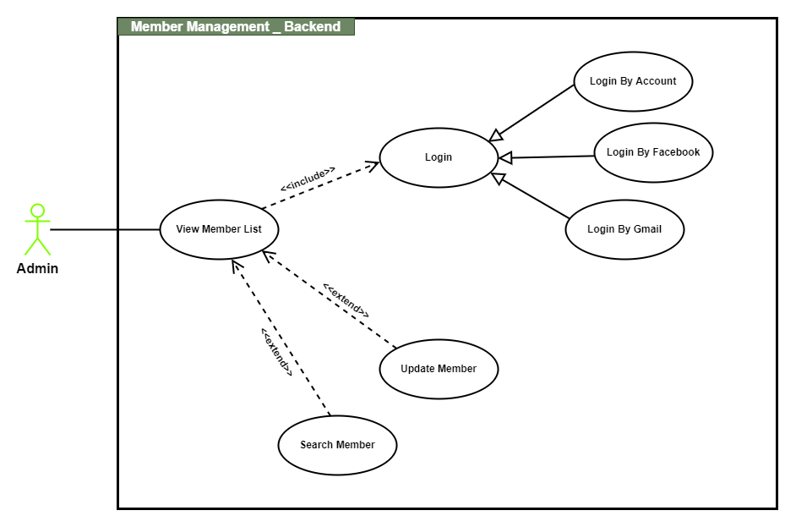
6.13.1.1 Quản lý thành viên – Xem danh sách thành viên
6.13.1.2 Quản lý thành viên – Sửa tài khoản thành viên

Class_Diagram
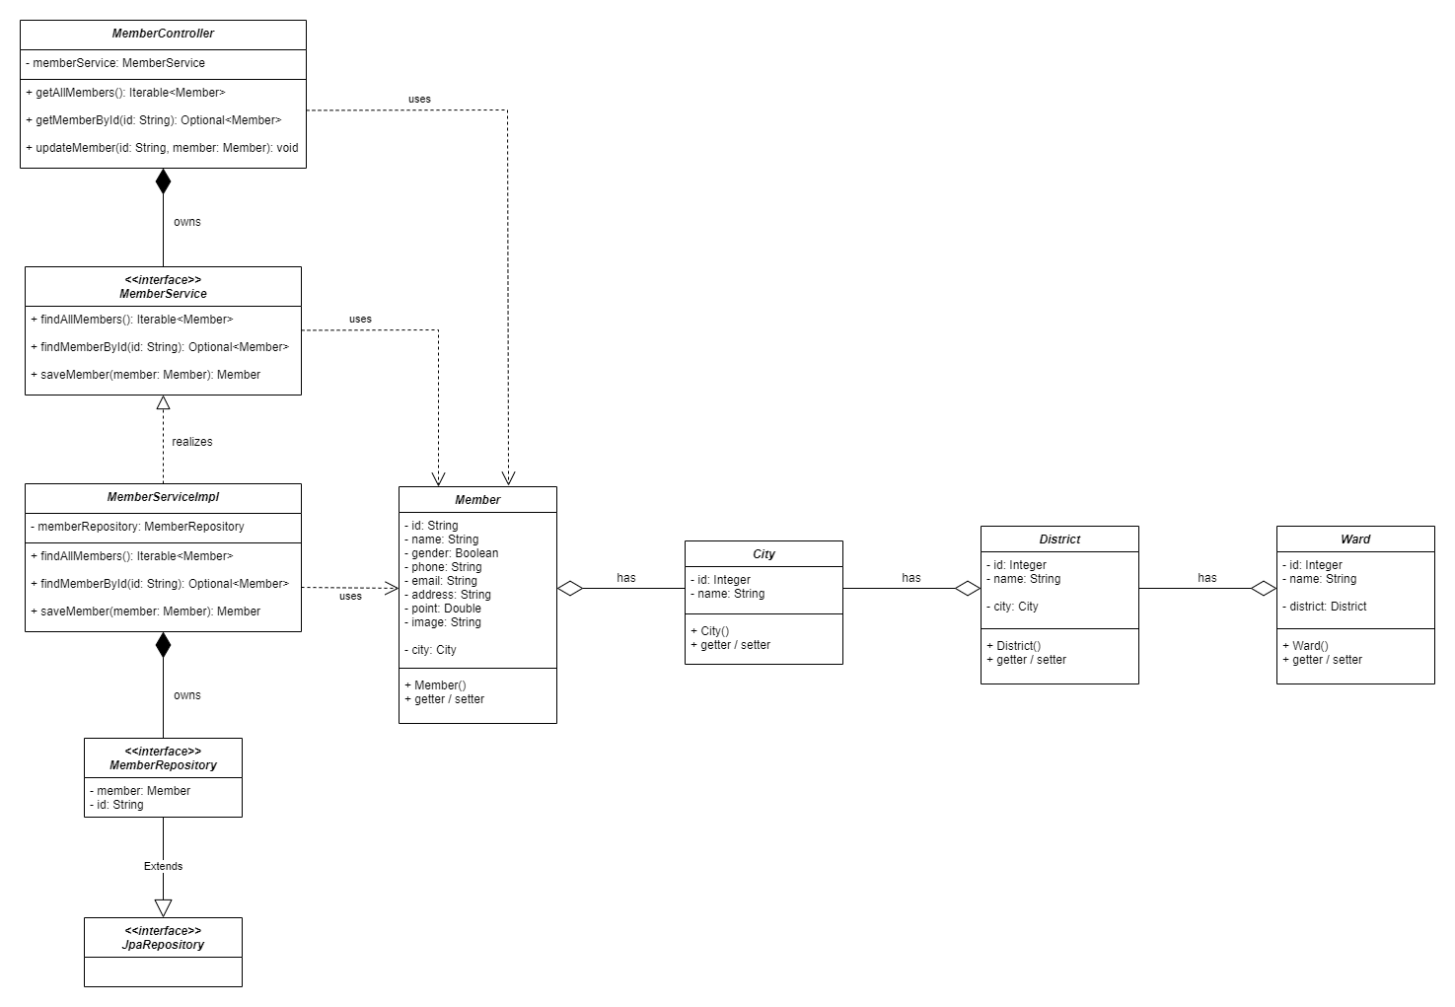
6.13.1.1 Quản lý thành viên – Xem danh sách thành viên
6.13.1.2 Quản lý thành viên – Sửa tài khoản thành viên

Sequence_Diagram
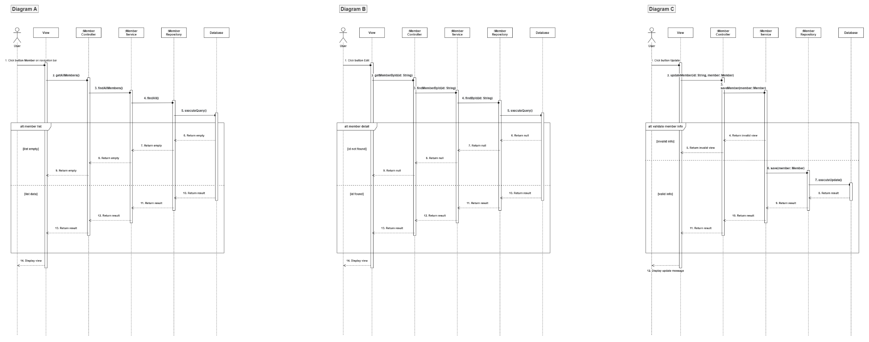
6.13.1.1 Quản lý thành viên – Xem danh sách thành viên
6.13.1.2 Quản lý thành viên – Sửa tài khoản thành viên

Notes: thứ tự lần lượt của cả 3 hình A,B,C là lấy danh sách thành viên, hiển thị thông tin 1 thành viên và cập nhật tài khoản thành viên

